Sheet1
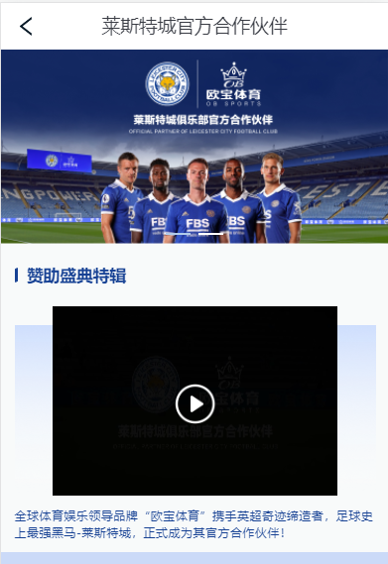
Official Leicester City Partner | 莱斯特城官方合作伙伴

Sponsorship Events Videos | 赞助盛典特辑

The world's leading sports and entertainment brand "OB Sports" has work with the Premier League miracle creator and the strongest dark horse in football history - Leicester City, to officially become its official partner! |  | 全球体育娱乐领导品牌“欧宝体育”携手英超奇迹缔造者，足球史上最强黑马-莱斯特城，正式成为其官方合作伙伴！

Sheet2
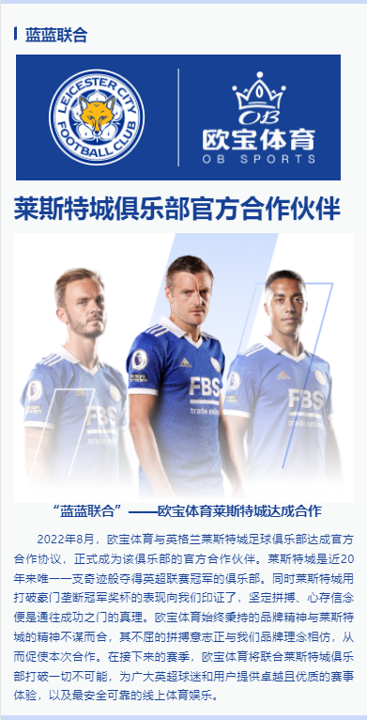
Blue United | 蓝蓝联合

Official Partner of Leicester City Club |  | 莱斯特城俱乐部官方合作伙伴

Blue United - OB Sports Leicester City reached a cooperation |  |  | “蓝蓝联合”——欧宝体育莱斯特城达成合作

In August 2022, OB Sports and Leicester City Football Club in England reached an official cooperation agreement and officially became the official partner of the club. Leicester City are the only club miraculously win the Premier League in nearly 20 years. At the same time, Leicester City proved to us with the performance of breaking the monopoly of the giants, that firm struggle and belief are the truth that leads to success. The brand spirit that OB Sports has always adhered to coincides with the spirit of Leicester City, and its unyielding will to fight is similar to our brand concept, which prompted this cooperation. In the coming season, OB Sports will unite with Leicester City Club to break all the impossible and provide Premier League fans and users with an excellent and high-quality game experience, as well as the safest and most reliable online sports entertainment.

2022年8月，欧宝体育与英格兰莱斯特城足球俱乐部达成官方合作协议，正式成为该俱乐部的官方合作伙伴。莱斯特城是近20年来唯一一支奇迹般夺得英超联赛冠军的俱乐部。同时莱斯特城用打破豪门垄断冠军奖杯的表现向我们印证了，坚定拼搏、心存信念便是通往成功之门的真理。欧宝体育始终秉持的品牌精神与莱斯特城的精神不谋而合，其不屈的拼搏意志正与我们品牌理念相仿，从而促使本次合作。在接下来的赛季，欧宝体育将联合莱斯特城俱乐部打破一切不可能，为广大英超球迷和用户提供卓越且优质的赛事体验，以及最安全可靠的线上体育娱乐。

Sheet3
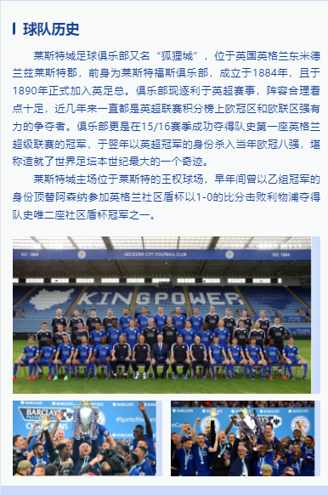
Team History | 球队历史

Leicester City Football Club, also known as "Fox City", is located in Leicestershire, East Midlands, England. The club is now chasing the Premier League, and its lineup is full of reasonable highlights. In recent years, it has been a strong contender for the Champions League and Europa League in the Premier League standings. In the 15/16 season, the club successfully won the first English Premier League championship in team history, and reached the quarter-finals of the UEFA Champions League as the Premier League champion the following year, which can be regarded as the greatest miracle in world football this century. |  | 莱斯特城足球俱乐部又名“狐狸城”，位于英国英格兰东米德兰兹莱斯特郡，前身为莱斯特福斯俱乐部，成立于1884年，且于1890年正式加入英足总。俱乐部现逐利于英超赛事，阵容合理看点十足，近几年来一直都是英超联赛积分榜上欧冠区和欧联区强有力的争夺者。俱乐部更是在15/16赛季成功夺得队史第一座英格兰超级联赛的冠军，于翌年以英超冠军的身份杀入当年欧冠八强，堪称造就了世界足坛本世纪最大的一个奇迹。

Leicester City's home court is located at the King Power Stadium in Leicester. In the early years, he replaced Arsenal as a Group B champion to participate in the England Community Shield Cup and defeated Liverpool 1-0 to win one of the only two Community Shield Cup championships in team history. |  | 莱斯特城主场位于莱斯特的王权球场，早年间曾以乙组冠军的身份顶替阿森纳参加英格兰社区盾杯以1-0的比分击败利物浦夺得队史唯二座社区盾杯冠军之一。

Sheet4
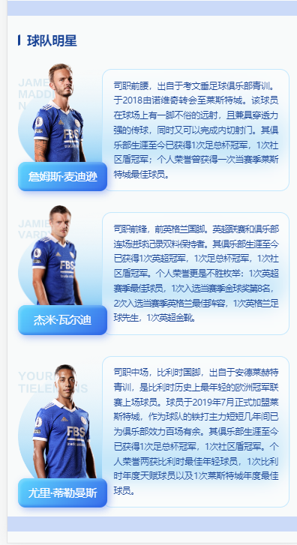
Team Star |  | 球队明星

James Maddison |  | 詹姆斯·麦迪逊

The former midfielder came from the youth training of Coventry Football Club. Transferred from Norwich to Leicester City in 2018. The player has a good long-range shot on the court, and also has a strong penetrating pass, and can complete an inside shot at the same time. He has won 1 FA Cup and 1 Community Shield in his club career so far; he has won the best player in Leicester City once for his personal honor. |  |  | 司职前腰，出自于考文垂足球俱乐部青训。于2018由诺维奇转会至莱斯特城。该球员在球场上有一脚不俗的远射，且兼具穿透力强的传球，同时又可以完成内切射门。其俱乐部生涯至今已获得1次足总杯冠军，1次社区盾冠军；个人荣誉曾获得一次当赛季莱斯特城最佳球员。

Jamie Vardy | 杰米·瓦尔迪
A striker and a former England international. The Premier League and the club's consecutive scoring record double holder. In his club career, he has won 1 Premier League title, 1 FA Cup title and 1 Community Shield title. The personal honors are too numerous to mention: 1 Premier League Player of the Season, 1 selection for the 8th place in the Golden Ball of the season, 2 selections for the England Team of the Season, 1 English Footballer of the Year, and 1 Premier League Golden Boot. |  |  | 司职前锋，前英格兰国脚。英超联赛和俱乐部连场进球记录双料保持者。其俱乐部生涯至今已获得1次英超冠军，1次足总杯冠军，1次社区盾冠军。个人荣誉更是不胜枚举：1次英超赛季最佳球员，1次入选当赛季金球奖第8名，2次入选当赛季英格兰最佳阵容，1次英格兰足球先生，1次英超金靴。

Yuri Tielemans | 尤里·蒂勒曼斯
The midfielder, the Belgian international, came from the Anderlecht youth training and is the youngest player in the history of Belgium to play in the UEFA Champions League. The player officially joined Leicester City in July 2019. As the main force of the team, he has played for the club for more than 100 games in just a few years. He has won 1 FA Cup and 1 Community Shield in his club career so far. Personal honors have won two Belgian Young Players, one Belgian Talented Player of the Year and one Leicester City Player of the Year. |  |  | 司职中场，比利时国脚，出自于安德莱赫特青训，是比利时历史上最年轻的欧洲冠军联赛上场球员。球员于2019年7月正式加盟莱斯特城，作为球队的铁打主力短短几年间已为俱乐部效力百场有余。其俱乐部生涯至今已获得1次足总杯冠军，1次社区盾冠军。个人荣誉两获比利时最佳年轻球员，1次比利时年度天赋球员以及1次莱斯特城年度最佳球员。

Sheet5
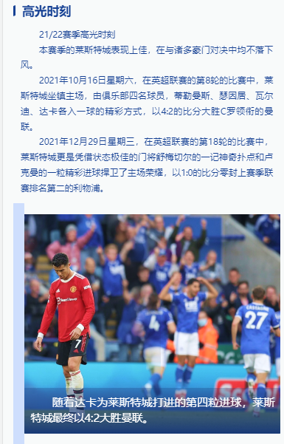
Highlight Moment | 高光时刻

Highlights of the 21/22 season |  | 21/22赛季高光时刻

Leicester City have performed well this season, and they have not fallen behind in the duel with many giants. |  |  | 本赛季的莱斯特城表现上佳，在与诸多豪门对决中均不落下风。

On Saturday, October 16, 2021, in the 8th round of the Premier League, Leicester City played at home, and four players from the club, Tielemans, Soyuncu, Vardy, Dhaka each scored a goal The wonderful way, with a score of 4:2 victory over Cristiano Ronaldo-led Manchester United. |  |  | 2021年10月16日星期六，在英超联赛的第8轮的比赛中，莱斯特城坐镇主场，由俱乐部四名球员，蒂勒曼斯、瑟因居、瓦尔迪、达卡各入一球的精彩方式，以4:2的比分大胜C罗领衔的曼联。

On Wednesday, December 29, 2021, in the 18th round of the Premier League, Leicester City relied on a fantastic goal from the in-form goalkeeper Schmeichel and a wonderful goal from Lookman. The ball defended home glory and kept Liverpool, who were second in the league last season, 1-0. |  |  | 2021年12月29日星期三，在英超联赛的第18轮的比赛中，莱斯特城更是凭借状态极佳的门将舒梅切尔的一记神奇扑点和卢克曼的一粒精彩进球捍卫了主场荣耀，以1:0的比分零封上赛季联赛排名第二的利物浦。

With Dhaka's fourth goal for Leicester City, Leicester City finally beat Manchester United 4:2. |  | 随着达卡为莱斯特城打进的第四粒进球，莱斯特城最终以4:2大胜曼联。

Sheet6
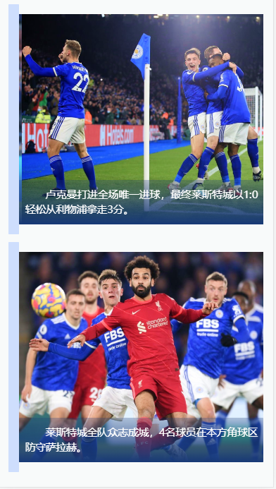

Lookman scored the only goal of the game, and finally Leicester City easily took 3 points from Liverpool with 1:0.

 | 卢克曼打进全场唯一进球，最终莱斯特城以1:0轻松从利物浦拿走3分。

The Leicester City team was united, and four players defended Salah in their corner.

 | 莱斯特城全队众志成城，4名球员在本方角球区防守萨拉赫。

